Test 2 pages
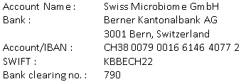
Invoice: 55H-0231115
23.12.2023
 |  | Treatment by |  | Description | Qty | Price | Amount
 |  | Dr. Roger Gmür |  | Patient: Deddy Prasetyo, M, 26.07.1968
 |  | Zürich
 |  |  |  | Gut Microbiome Therapy | 4
Mr. Deddy Prasetyo |  |  |  | curcumin 75 mg | 1
Jakarta |  |  |  | Bosvene Akba | 1
Indonesia |  |  |  | Gynophilus | 1

Description | Qty | Price | Amount
Patient: Deddy Prasetyo, M, 26.07.1968

Gut Microbiome Therapy | 4 | 6,912.50 | 27,650.00
curcumin 75 mg | 1 | 116.22 | 116.22
Bosvene Akba | 1 | 215.11 | 215.11
Gynophilus | 1 | 19.80 | 19.80
Microbiome | 8 | 74.95 | 599.60
Vit, B Komplex | 1 | 46.80 | 46.80
Fermanose | 2 | 46.20 | 92.40
Fermanose | 6 | 46.20 | 277.20
Oliphenolia | 1 | 183.51 | 183.51

 | 6
 | 1 |  |  | Total in CHF |  |  | 0.00
 | 1
 |  |  |  | Thank you very much for your trust!
 | 1
 | 8
 | 1
 | 2
 | 9

Total in CHF |  |  | 29,200.64

