Samuel Bob
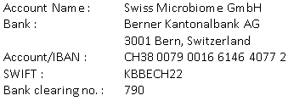
Invoice: 55H-0231104
2023-12-20
 |  | Treatment by
 |  | Dr. Roger Gmür
 |  | Zürich

Mr. Nicolas Boeschlin
Jakarta
Indonesia

Description | Qty | Price | Amount
Patient : Samuel Bob, M, 04.01.1974

Gut Microbiome Therapy | 4 | 6,912.50 | 27,650.00
Vit D3 | 1 | 37.00 | 37.00
Biotin | 1 | 37.25 | 37.25
E-Inject | 1 | 41.20 | 41.20
Neuro Amino | 8 | 163.20 | 1,305.60
Vit, B Komplex | 1 | 46.80 | 46.80
Fermanose | 2 | 46.20 | 92.40

Total in CHF |  |  | 29,210.25

Thank you very much for your trust!

