Chan Choi Moi
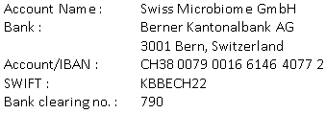
Invoice: 55H-0231104
22.12.2023
 |  | Treatment by
 |  | Dr. Roger Gmür
 |  | Zürich

Mrs. Chan Choi Moi
Jakarta
Indonesia

Description | Qty | Price | Amount
Patient: Chan Choi Moi, F, 28.04.1972

Gut Microbiome Therapy | 4 | 6,912.50 | 27,650.00
Vit D3 | 1 | 37.00 | 37.00
Biotin | 1 | 37.25 | 37.25
E-Inject | 1 | 41.20 | 41.20
Neuro Amino | 8 | 163.20 | 1,305.60
Vit, B Komplex | 1 | 46.80 | 46.80
Fermanose | 2 | 46.20 | 92.40
Hydroxiprolin | 1 | 68.90 | 68.90
Gynophilus | 1 | 19.80 | 19.80
Magentropfen | 1 | 23.00 | 23.00
Magnesium 1000 mg | 1 | 34.68 | 34.68
Q10 i.v. sensitive | 5 | 178.80 | 894.00
Resveratrol | 8 | 178.00 | 1,424.00

Total in CHF |  |  | 31,674.63

Thank you very much for your trust!

